Cancer summary
SEL priority workstream |  |  |  | Is delivery of the aim on track? (RAG = 1,2,3)
Transformation |  | Cancer |  | 2
Leadership |  | SRO: | Programme Manager: | Current delivery level:
 |  | Andrew Eyres & David Cheesman | NA | SEL led Programme
Background |  | SEL is proud of the excellent cancer care provided, however, cancer is the leading cause of death and premature mortality across south east London. If we matched the best there would be 10,000 fewer cancer cases per annum across the UK. 43% of cancers are caused by lifestyple factors and so are potentially preventable. To develop the best possible care models and interventions for the cancer strategy it is important to understand the current health of the population of south east London - Approximately 16% of people in south east London are in the health and wellbeing group - Approximately 50% of people in south east London are experiencing inequalities or putting their health at risk. For example this could be people who drink too much or don’t take enough exercise or are living in poverty. - Approximately 25% of people in south east London are in the early stages of long term conditions. For example, a long term condition could be, diabetes, poor mental health or high blood pressure. - Approximately 9% of people in south east London are living with 3 or more long term conditions. - Approximately 1% of people in south east London are at the end of their life Through understanding our population better the strategy is able to focus on developing care models and innovations that best address the needs of the people in south east London. A key component of this is to develop a strong foundation of Community Based Care to support people to live healthier lives and reduce the number of people exposed to risk factors either by birth or behaviour. SEL has a track record of working together and developing an ACN.
 |  | Our strategic ambitions can be defined into three categories: 1. Focus on early detection 2. Better and more responsive care beginning with treatment through transition 3. Living with and beyond cancer In addition, we have had a strong track record of delivery across SEL which can be evidenced through the development of the A.C.N. Specifically, we've aligned services to take into account the variation in ages across the boroughs, impacting healthcare demand, as evidenced through our work at Queen Mary's. We have also recognised that GSTT serves a greater population than SEL, and have aligned our service delivery and supply structures to reflect the growing demand.
Case for change including best practice |  | Please set out a Case for change summary here and attach the document in which it can be found, if any
 |  | Since 2014, the Cancer Clinical Leadership Group has been working together to address a number of areas where there is scope for improvement and change: - Enabling the public to take ownership of their health and enable self management - Improving direct access for GP investigations, diagnostics & specialist advice - Improving the patient experience - Better coordination and integration across primary and secondary care and the third sector to achieve seamless care – Cancer Recovery Package -will ensure care is coordinated. - Consistently meet cancer waits standards (with a detailed review of any patient waiting over 100 days), and reduce variability of service delivery - Delivering cancer care services closer to home - Training and up-skilling e.g. primary care and integration across all sectors - Taking learning from one stop shop approaches and spread best practice - Reducing inequality of access to cancer treatments - Improving access to psychological support services Through the Community Based Care Clinical Leadership Group, we will address: - Providing better health promotion and primary prevention (obesity, smoking, pregnant women, alcohol) - Supporting more patients to achieve their wishes at their end of life
Financial case for change |  | Please summarise the underpinning financial case for change or savings attached to this programme ?
 |  | The STP has identified an estimated recurrent savings of £9.0m by 20/21 associated with the Cancer interventions. Further detail of this can be found in the delivery plan.
Programme position in August 2016 |  | Please briefly describe the most recent or current product or phase (eg report or business case)? |  | Is the document or product attached?
 |  | We have created a cancer model, which shows how our three areas of ambition have specific interventions within to support a patient holistically: | 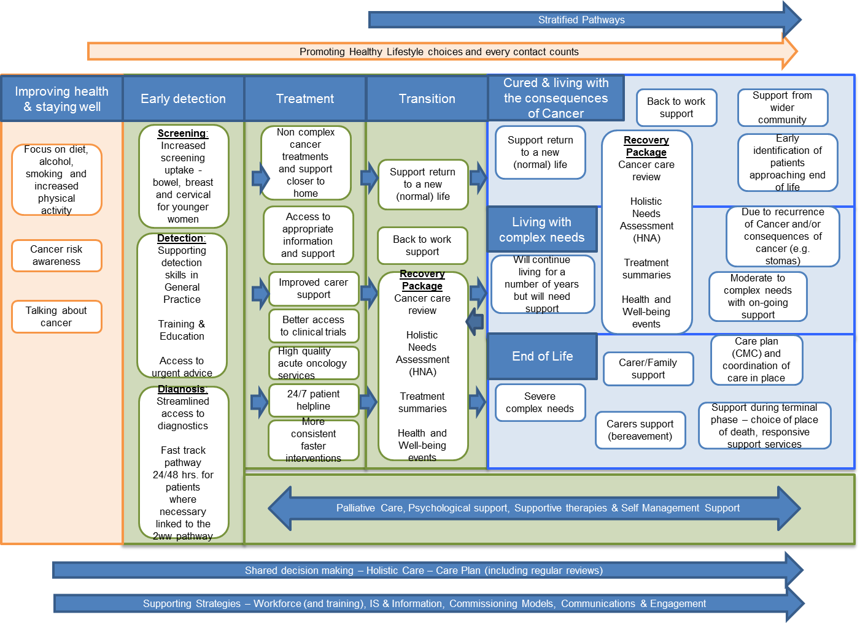
Interventions whose delivery contributes to the overall programme |  | Please list any interventions | Total FY21 recurrent saving attributed in July 2016 STP (£m) | Path for implementation
 | 1 | Cancer waiting times | 1.2 | Provider Transformation & Contracting
 | 2 | Education and Training package for LCNs | 2.7 | Supportive Programme Role with the Clinical Lead & HLP
 | 3 | Coordination of Care: during diagnosis and treatment | 0.5 | Provider Transformation & Contracting
 | 4 | Multidisciplinary Diagnostic Centre: early diagnosis clinic | 1.4 | Supportive Programme Role-- A.C.N. role to drive implementation & commissioners to impact contracting
 | 5 | High quality acute oncology services (AOS) across SEL | 1.9 | Supportive Programme Role-- A.C.N. role to drive implementation
 | 6 | Chemotheraphy closer to home | - | Supportive Programme Role-- A.C.N. role to drive implementation
 | 7 | Living With and Beyond Cancer | - | Supportive Programme Role
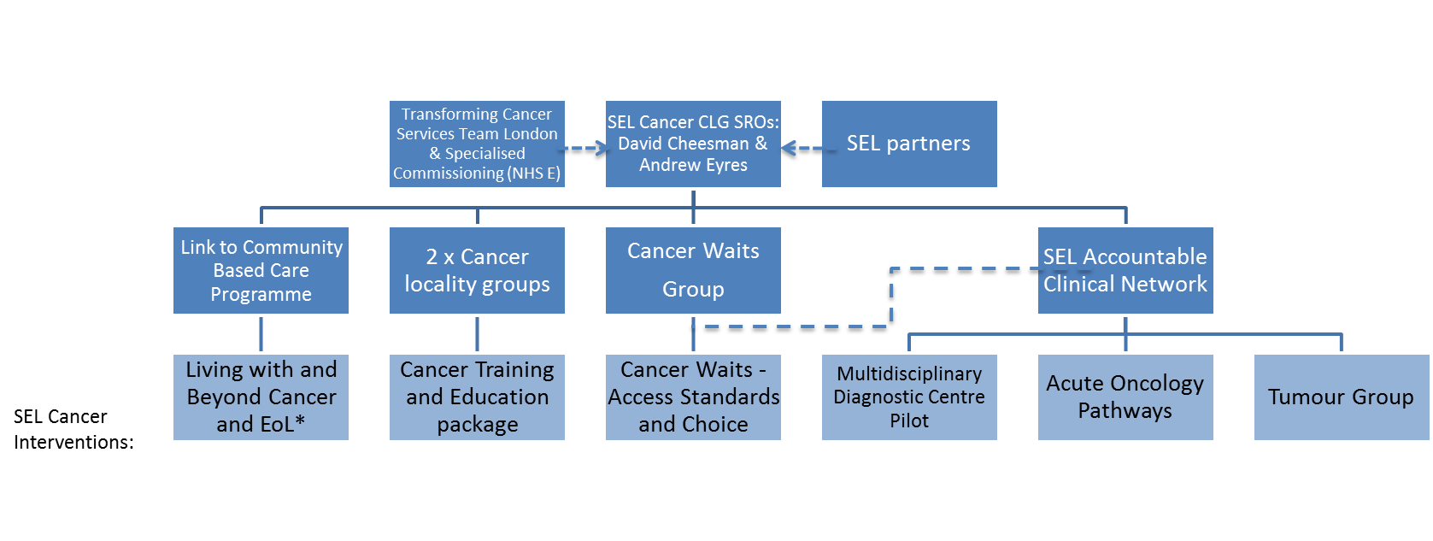
Governance |  | Can you briefly describe your current governance structure for programme delivery and/or append a diagram, if available?
 |  | The SRO for CCLG is Andrew Eyres & David Chessman The following groups are established to support delivery across the system at the same level as the CCLG: -- NHSE Transforming Cancer Services -- SEL Partners The groups who report directly to the CCLG: -- Link to Community Based Care Programme -- 2x Cancer Locality Group -- Cancer Waits Groups -- SEL Accountable Clinical Network
Cancer Planning Group(key delivery group) |  | ToR Members | Current members
 |  | CCG representatives Provider representatives CSU OHSEL PM SRO | Cheung, Mark (NHS BROMLEY CCG) Courtness, Ann (NHS LAMBETH CCG) Cunliffe, Anthony (NHS WANDSWORTH CCG) Chessman, David (GSTT) Eyres Andrew (NHS LAMBETH CCG) Griffin, Mairead Haire, Kate (GSTT) Moss, Teresa (NHS SOUTH EAST COMMISSIONING SUPPORT UNIT) Peart, Stephanie Valentine, Sarah (NHS BEXLEY CCG)
Objectives (in order of priority, most important first, one per cell) |  | Can you list your overarching programme objectives?
 | 1 | Our overall objective is to improve patient outcomes, we will achieve that via:early detection, faster access, consistent care, and improved patient experience.
 | 2 | Consistently meet cancer waits standards (with a detailed review of any patient waiting over 100 days), and reduce variability of service delivery
 | 3 | Training and up-skilling e.g. primary care and integration across all sectors
 | 4 | Taking learning from one stop shop approaches and spread best practice
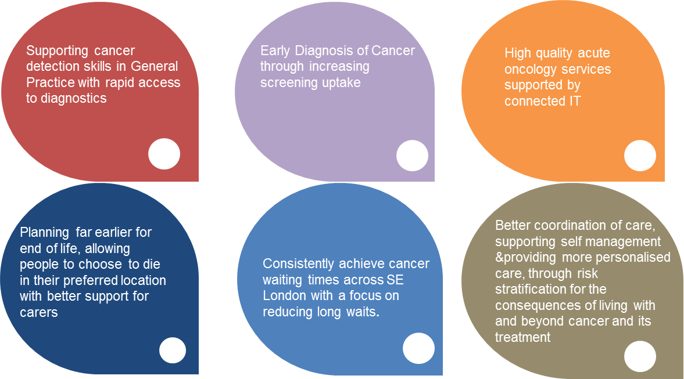
 | 5 | Better coordination and integration across primary and secondary care and the third sector to achieve seamless care – Cancer Recovery Package will ensure care is coordinated.
 | 6 | Delivering cancer care services closer to home
 | 7 | Improving direct access for GP investigations, diagnostics & specialist advice
 | 8 | Improving the patient experience
 | 9 | Reducing inequality of access to cancer treatments
 | 10 | Supporting more patients to achieve their wishes at their end of life
 | 11 | Improving access to psychological support services
Scope (what is in and out of scope) | In | - National Strategy - NHS Operational planning and guidance for cancer - Primary, social, and secondary care (specialist)
 | Out | - Primary care prevention - screening - rare cancers - R&D - End of life care
Constraints to 2021 (in order of scale, most impactful first, one per cell) | 1 | Ability to prioritise outcomes
 | 2 | Informatics & measurement
 | 3 | workforce, staffing resources and availability of necessary funding
Risks to 2021 (in order of scale, most impactful first, one per cell) |  | Risk description | Mitigation summary | Risk post mitigation (RAG = 1,2,3)
 | 1 | Lack of dedicated PM resource to oversee multiple delivery vehicleas within the infrastructure for a complex cancer program | Appoint a PM who has a strong understanding of national cancer programmes and the capacity to oversee and monitor the management of 7 interventions across SEL | 3
 | 2 | No clear reporting of work to date within interventions to intervention leaders | Develop reporting mechanisms to inform on delivery success | 2
 | 3 | Unclear of the funding needed to move forward the Training and Education Program, as well as the risk to milestones slipping | Continue to support the T&E team and provide links to both locality groups. | 3
 | 4 | Changing of SEL delivery dates due to the updated NHS operational plan guidance | Discuss how SEL can include this provision | 2
Deliverables FY16/17 |  | Deliverable description | Target delivery Date | Status
 | 1 | Chemo closer to home: additional QMS capacity '- Out of hospital delivery in 20/21 | Q4 16-17 | On track
 | 2 | Cancer waiting times: improvement plan in place, delivery to national standards Q4 16-17 | Q4 16-17 | Not on track but plan to recover
 | 3 | Training & education package for LCN | Q1 17-18 | Not on track but plan to recover
 | 4 | Agreed AOS pathway with supporting infrastructure | Q4 17-18 | Not on track but plan to recover
 | 5 | Coordination of Care: recovery package, care plan | Q4 17-18 | Plan in development
 | 6 | Multidisciplinary Diagnostic Centre: early diagnosis clinic | Q1 18-19 | On track
 | 7 | Living With and Beyond Cancer | Q1 19-20 | Plan in development

